Introduction
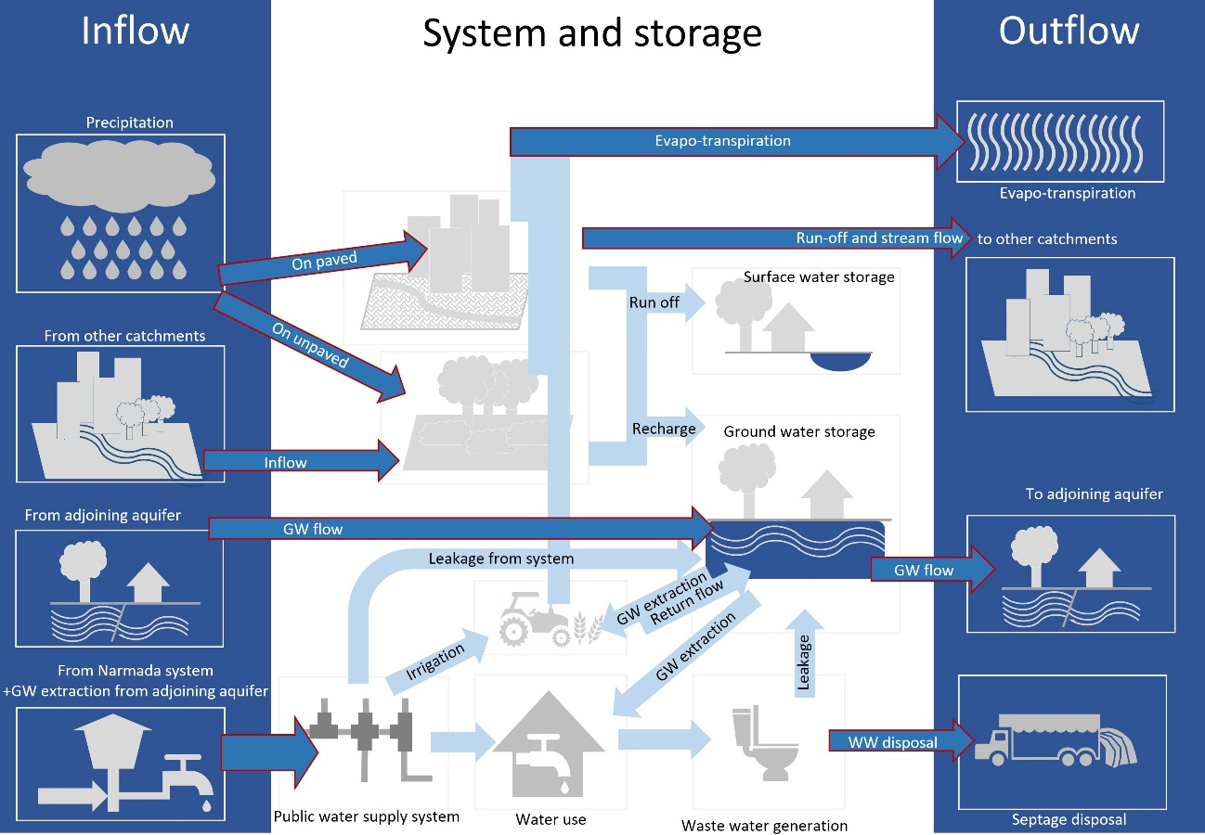
Water Balance assessment
In hydrology, a water balance can be used to describe the flow of water in and out of a basin. It is an assessment of the various flow components of the hydrological cycle of a specific region, comparing precipitation and other inflows with outflows, and accumulation/storage changes over a certain time period. The water balance is a very fundamental concept in hydrology[1]. The hydrological cycle consists of various processes of inflow, outflow and storage- rainwater reaches the groundwater system through percolation; traps into soil as soil moisture; returns to atmosphere through evapotranspiration; some amount flows as surface runoff and gets stored into water impounding reservoirs; whereas remaining part flow out from the catchment as overland as well as sub-surface flow. Some amount of water also gets stored in aquifer while some amount of water is pumped out for usage and this balance is expressed as water balance. (Schicht and Walton, 1996) The adjacent diagram describes all possible water pathways – | The processes of the hydrological cycle described above can be categorized in 4 categories, those that occur in i)the atmosphere, ii) land surface, iii) unsaturated zone and iv) deep aquifer. Since the model is being applied on an urban area, the effect of human activities in the form of groundwater draft and wastewater disposal are also included in the analysis. Applying the law of conservation of mass to water, the following equation can be used after defining a finite study area– Inflow = Outflow + storage Water balance estimates are often presented as being precise. However, there is always uncertainty, arising from inadequate data, measurement errors and the spatial and temporal complexity of hydrological processes. Consequently, arriving at an exact balance is next to impossible while it is possible to arrive at a simplified model of real life. Therefore, we add a constant to balance the equation- Inflow = Outflow + storage + c Analysis of such an equation can be useful in assessing the current status and trends in water resource availability in an area over a specific period of time therefore strengthening water management decision-making by assessing and improving the validity of visions, scenarios and strategies. Water Balance of Bhuj city was studied in detailed to assess the current status and trends in water resource availability in an area. BHADA boundary was defined as the study area for water balance of city for a period of one year.

[1]International Water Management Institute, retrieved from http://iwmi.dhigroup.com/hydrological_cycle/waterbalance.html as on 4.5.16 |  |  
Urban Water Security Planning Toolkit

WB calculation
Inflows
1 | Precipitation

Average annual rainfall (m) |  |  | =
Study area (sq km) |  |  | =
Annual rainfall (MCM) |  |  | = | 0

2 | Inflow from other catchments
Inflow points | Catchment area | Catchment type | Runoff % | Area (sq km) | Annual Rainfall (m) | Runoff | Inflow amount |  |  | Barlow's method
Haripar canal | Dhunaraja - unpaved | DC |  |  | 0 | 0 | 0 |  |  | Class | Description of catchment |  |  |  | Kb%
 | Lakki and tapka - unoaved | DC |  |  | 0 | 0 | 0 |  |  |  |  |  |  |  | Light rain | Average or varying rainfall | Continuous downpour
 |  |  |  |  |  |  |  |  |  | A | Flat, cultivated, and absorbent soil |  |  |  | 7 | 10 | 15
 |  |  |  | Inflow from other catchments = |  |  | 0 | MCM |  | B | Flat, partly cultivated, and stiff soil |  |  |  | 12 | 15 | 18
 |  |  |  |  |  |  |  |  |  | C | Average catchment |  |  |  | 16 | 20 | 32
 |  |  |  |  |  |  |  |  |  | D | Hills and plains with little cultivation |  |  |  | 28 | 35 | 60
 |  |  |  |  |  |  |  |  |  | E | Very hilly, steep and no cultivation |  |  |  | 36 | 45 | 81
3 | Ground water Inflow
 |  |  |  |  |  |  |  |  |  |  |  |  |  |  | For level aquifers, we assume rate of inflow and outflow between adjoining aquifers of the same type are the same and thus GW inflow and outflow cancel each other out across the equation.
Ground water Inflow = |  |  |  |  | MCM

4 | Water Import
Annual bulk water import from outside sources

Source1
Source2
Source3
Source4
Annual (MCM) |  |  |  | 0

Storage
1 | Surface storage
Sno | Water body name | Coverage Area (sq km) | Average depth (m) | Fill up cycle | Capacity
1 |  |  |  |  | 0.000
2 |  |  |  |  | 0.000
3 |  |  |  |  | 0.000
4 |  |  |  |  | 0.000
 |  | 0.000 |  | total | 0.000 | MCM

2 | Change in GW storage

Sno. | Aquifer type | Area (Sq.km) | Specific Yield (%) | Pre monsoon to post monsoon water level change |  |  |  |  |  | Although aquifer storage is difficult to determine, we can estimate the amount through change in water table and water holding capacity of aquifer. Through local tests specific yield of this aquifer is determined to be 9.5%.
 |  |  |  | h1 –h2 (m) | Change (MCM)
1 |  |  |  |  | 0
 |  |  |  | total | 0 | MCM

Outflows
1 | Evapo-transpiration

Plant Evapo-transpiration
 | Crop | Millet |  | Groundnut |  | Cotton |  | Sesame |  | Castor |  | Mung |  | Clusterbean |  | Sorghum |  | Scrub/Forest |  | Wheat
 | Area (Km2)
Consumptive use coefficient (k) |  | 0.7 |  | 0.7 |  | 0.8 |  | 0.67 |  | 0.85 |  | 0.5 |  | 0.7 |  | 0.75 |  | 0.45 |  | 0.61
Month | Pan Evaporation (cm) | PET (cm) | AET (MCM) | PET (cm) | AET (MCM) | PET (cm) | AET (MCM) | PET (cm) | AET (MCM) | PET (cm) | AET (MCM) | PET (cm) | AET (MCM) | PET (cm) | AET (MCM) | PET (cm) | AET (MCM) | PET (cm) | AET (MCM) | PET (cm) | AET (MCM)
January |  |  |  |  |  | 0.0 | 0.0 |  |  | 0.0 | 0.0 |  |  |  |  |  |  | 0.0 | 0.0 | 0.0 | 0.0
February |  |  |  |  |  | 0.0 | 0.0 |  |  | 0.0 | 0.0 |  |  |  |  |  |  | 0.0 | 0.0 | 0.0 | 0.0
March |  |  |  | 0.0 | 0.0
April |  |  |  | 0.0 | 0.0
May |  |  |  | 0.0 | 0.0
June |  |  |  | 0.0 | 0.0
July |  | 0.0 | 0.0 |  |  | 0.0 | 0.0 | 0.0 | 0.0 | 0.0 | 0.0 | 0.0 | 0.0 | 0.0 | 0.0 | 0.0 | 0.0 | 0.0 | 0.0
August |  | 0.0 | 0.0 |  |  | 0.0 | 0.0 | 0.0 | 0.0 | 0.0 | 0.0 | 0.0 | 0.0 | 0.0 | 0.0 | 15.0 | 0.0 | 0.0 | 0.0
September |  | 0.0 | 0.0 |  |  | 0.0 | 0.0 | 0.0 | 0.0 | 0.0 | 0.0 | 0.0 | 0.0 | 0.0 | 0.0 | 17.9 | 0.0 | 0.0 | 0.0
October |  | 0.0 | 0.0 |  |  | 0.0 | 0.0 | 0.0 | 0.0 | 0.0 | 0.0 | 0.0 | 0.0 | 0.0 | 0.0 | 11.4 | 0.0 | 0.0 | 0.0
November |  |  |  |  |  | 0.0 | 0.0 |  |  | 0.0 | 0.0 | 0.0 | 0.0 | 0.0 | 0.0 |  |  | 0.0 | 0.0 | 0.0 | 0.0
December |  |  |  |  |  | 0.0 | 0.0 |  |  | 0.0 | 0.0 | 0.0 | 0.0 | 0.0 | 0.0 |  |  | 0.0 | 0.0 | 0.0 | 0.0
Total |  |  | 0.0 |  | 0.0 |  | 0.0 |  | 0.0 |  | 0.0 |  | 0.0 |  | 0.0 |  | 0.0 |  | 0.0 |  | 0.0
Total AET (MCM) |  |  |  |  |  |  |  |  |  |  |  |  |  |  |  |  |  |  |  |  | 0.0
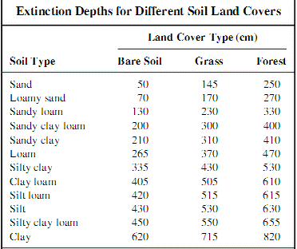
Annual Sub-Surface Evaporation |  |  |  |  |  | Evapotranspiration from the water table ceases at a point below a surface elevation. This point is called the Extinction Depth and is the depth to which the roots of plants extend below land surface. In this case considered zero as Bhuj is arid area and water table is sufficiently low (i.e. >2.5m for sandy soils)
Is GW table below extinction point? If yes, sub surface Et is = 0
If no,
Annual Evaporation Rate (m/yr)
AET |  |  |  | 0.0
 |  |  |  | 0.0

Evaporation from water bodies
Surface area of water bodies (sq km) |  |  |  | 0.000
Annual Evap rate (m/yr)
Total Evaporation from water bodies |  |  |  | 0.00

Total Evapo-Transpiration |  |  |  | 0.0

2 | Stream-flow to other catchments
Outflow points | Catchment area | Catchment type | Runoff % | Area (sq km) | Annual Rainfall (m) | Runoff |  |  |  | Barlow's method |  |  |  |  |  |  |  |  |  | Hamirsar-Umasar and Desalsar catchments fall inside our study area and the only outflow point is the stream flowing northwards from Pragsar lake towards Khari river. Since these catchments contain a considerable amount of built up area, the highest runoff factor (from previous Barlow table) is applied to these areas.
 | Inflow from outside area |  |  |  |  | 0 |  |  |  | Class | Description of catchment |  |  |  | Kb%
 |  |  |  |  | 0 | 0 |  |  |  |  |  |  |  |  | Light rain | Average or varying rainfall | Continuous downpour
 |  |  |  |  |  |  |  |  |  | A | Flat, cultivated, and absorbent soil |  |  |  | 7 | 10 | 15
 |  |  |  |  | 0 | 0 |  |  |  | B | Flat, partly cultivated, and stiff soil |  |  |  | 12 | 15 | 18
 |  |  |  |  |  |  |  |  |  | C | Average catchment |  |  |  | 16 | 20 | 32

 | Subtracting surface storage |  |  |  |  | 0.000 |  |  |  | D | Hills and plains with little cultivation |  |  |  | 28 | 35 | 60
 |  |  |  | Outflow (MCM) |  | 0 |  |  |  | E | Habitated or steep and no cultivation |  |  |  | 36 | 45 | 81

3 | Ground water Outflow

Ground water Inflow = |  |  |  | 0 |  | Inflow outflow cancel out for simplicity for smaller study areas and level aquifers

4 | WW disposal to outside areas
 |  | MLD | MCM |  |  | Wastewater is generated in the city through usage of the the Municipal water supply as well as private groundwater extraction inside the study area. This is disposed off outside BHADA limits in Naghor. As a thumbrule of UWSS, we assume wastewater generation o be 80% of water supply.
Total water supply
WW Generated @80% of water supply |  | 0 | 0
Private GW draft
WW Generated @80% of draft |  | 0 | 0.00

WW disposal to outside areas |  |  | 0.00

5 | Abstraction in outside areas

Abstraction from local aquifer outside study area |  |  |  | MLD
 |  |  | 0 | MCM

WB summary Bhuj
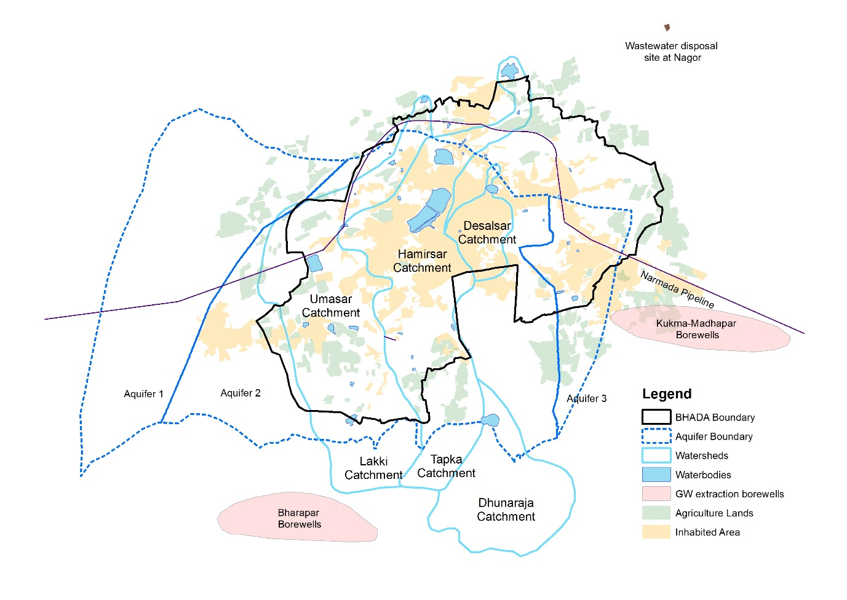
Inflow | = | Storage | + | Out-flow |  | + | c

Precipitation | 24.338 | Surface | 3.4499389671 | Evapo-transpiration | 7.2159876
Inflow from other catchments | 0.909536 | Ground water | 2.37 | Stream-flow to other catchments | 9.0262530329
GW inflow | 0 |  |  | GW outflow | 0
Water Import | 10.585 |  |  | WW disposal outside of area | 15.93736
 |  |  |  | Abstraction in outside areas | 0
Total (MCM) | 35.832536 | Total (MCM) | 5.8158189671 | Total (MCM) | 32.179600633

 |  | Balance
 |  | -2.16 |  | MCM

