Sheet1
Performance Assessment System
PAS Project

Tool to Calculate Non Revenue Water

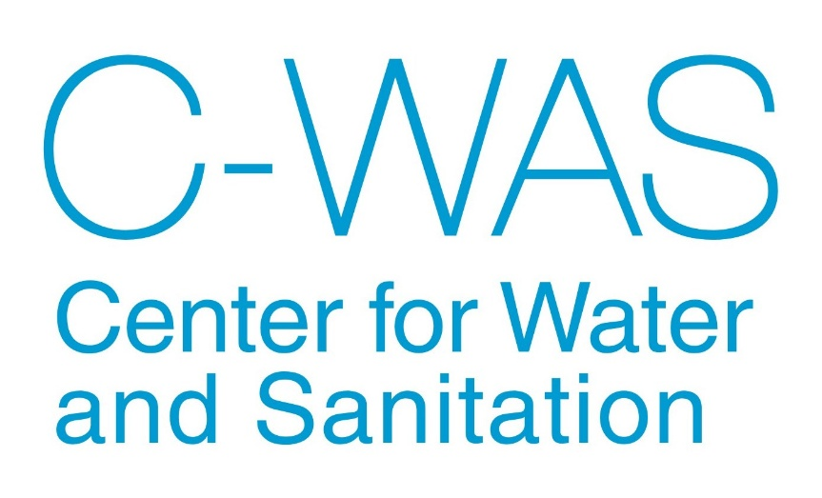

2016

Data Input
NRW Calculation tool
Data Input sheet
1. General Information
1.1 Name of Urban Local Body | Bhuj
1.2 Year | 2016
1.3 Population
?
2. Water supplied from sources
2.1 Own surface source (MLD)
2.2 Ground water source (MLD) | 3
2.3 Bulk treated purchase(MLD)
2.4 Bulk untreated purchase (MLD) | 15
2.5 Length of Raw water pipeline (source to treatment plant) (KM) | 5
Total system input volume (MLD) | 18
?
3. Water Treatment plants
3.1 Installed Capacity of Treatment Plants (MLD) | 20
3.2 Water quantity treated at treatment plant (MLD) | 14.5
3.3 Length of treated water pipeline (treatment plant to WDS) (KM) | 2
Total treated water (MLD) | 17.5
?
4. Water distribution
4.1 Water quantity received at distribution stations | 14
4.2 Water quantity distributed from distribution stations | 13
4.3 Water quantity distributed directly in network | 3
4.4 Length of water distribution network (KM) | 200
Total water distributed in distribution network (MLD) | 16
5. Consumer end details
5.1 Number of billed metered connections | 0
?
5.2 Volume of water billed metered consumption (MLD) | 0
5.3 Number of billed unmetered connections | 12000
?
5.4 Volume of billed unmetered consumption (MLD) | 10
5.5 Number of free (authorised unbilled) metered connections | 0
?
5.6 Volume of free (authorised unbilled) metered consumption (MLD) | 0
5.7 Number of free (authorised unbilled) unmetered connections | 500
?
5.8 Volume of free (authorised unbilled) unmetered consumption (MLD) | 1
5.9 Estimated number of illegal (unauthorised) connections | 700
?
5.10 Volume of illegal (unauthorised) consumption (MLD) | 0.8
?
5.11 Consumer metering inaccuracy (MLD) | 0
Total Connections | 13200
6. Financial Information - Operating Expenses
6.1 Regular Staff and administration (Rs in Lakhs) | 12
6.2 Outsourced/Contract Staff Costs (Rs in Lakhs) | 15
6.3 Electricity Charges/Fuel Costs (Rs in Lakhs) | 16
6.4 Chemical Costs (Rs in Lakhs) | 10
6.5 Repairs/Maintenance Costs (Rs in Lakhs)
6.6 Bulk (Raw/Treated) Water Charges (Rs in Lakhs)
6.7 Other Costs (Rs in Lakhs)
Total Operating Expenditure (Rs in Lakhs) | 53
Tariff Details
Fixed tariff - Residential (Rs per connection) | 600
Fixed tariff - Commercial (Rs per connection)
Volumentric tariff - Residential (Rs per KL)
Volumentric tariff - Commercial (Rs per KL)
Financial Information - Operating Revenues
6.8 Arrears at the beginning of previous year (Rs in Lakhs)
6.9 Revenue demand from user charges (Rs in Lakhs)
6.10 Revenue demand from tax/cess - Water Service only (Rs in Lakhs)
6.11 Revenue demand from other revenues (Rs in Lakhs)
6.12 Collection against the current demand (Rs in Lakhs)
6.13 Collection against arrears (Rs in Lakhs)
Total Revenue collected (Rs in Lakhs) | 0

Water balance
NRW Calculation tool
 | Water Balance Diagram |  |  | Bhuj | 2016

 |  |  | Billed | Billed Metered consumption
 |  |  | Authorised | 0% | Revenue
 |  |  | Consumption | 0 | Water
 |  |  | 56% | Billed Unmetered consumption | 56%
 |  | Authorised | 10 | 56% | 10
 |  | Consumption |  | 10
 |  | 61% | Unbilled | Unbilled metered consumption
 |  | 11 | Authorised | 0%
 |  |  | Consumption | 0
 |  |  | 6% | Unbilled unmetered consumption
 | System |  | 1 | 6%
 | Input |  |  | 1 | Non-Revenue
 | Volume |  |  | Unauthorised consumption | Water
 |  |  | Apparent | 4% | 44%
 | 100% |  | Losses | 0.8 | 8
 | 18 |  | 4% | Consumer metering inaccuracies
 |  | Total | 1 | 0%
 |  | Losses |  | 0
 |  | 39% |  | Leakage on transmission mains
 |  | 7 |  | 22%
 |  |  | Real | 4
 |  |  | Losses | Leakage and overflows at storage tanks
 |  |  | 34% | 6%
 |  |  | 6 | 1
 |  |  |  | Leakage on distribution line and at service connections
 |  |  |  | 7%
 |  |  |  | 1

 | Note: All values are in MLD
System input volume
Revenue water

 | 18 MLD |  |  |  | 10 MLD
Authorised consumption
Billed metered consumption
Meter
Revenue water

Billed unmetered consumption
Meter
 |  |  |  | 0 MLD |  | 10 MLD
 |  |  |  |  |  | 56%

 |  |  |  | 10 MLD
Unbilled authorised consumption
Non revenue water
Apparent losses
Lossess from source to WTP
Lossess from WTP to WDS
Unauthorised use
 | Sources | Treated | Distributed
 | 18 MLD | 17.5 MLD | 16 MLD | 1 MLD

 |  |  |  | 0.8 MLD
Leakage on transmission mains
Real losses

Leakage and overflows at storage tanks
 |  |  |  | 4 MLD
 |  |  |  |  |  | 8 MLD
 |  |  |  |  |  | 44%
Measures to reduce NRW components
Leakage on distribution line and at service connections
 |  |  |  | 1 MLD

 |  |  |  | 1.2 MLD

